Sheet1
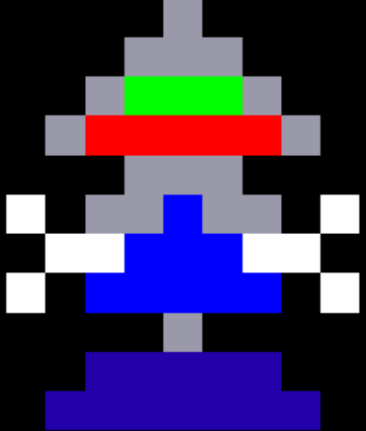
 | 0 | 1 | 2 | 3 | 4 | 5 | 6 | 7 | 8 |  |  |  | 0 | 1 | 2 | 3 | 4 | 5 | 6 | 7 | 8 |  |  | 0 | 1 | 2 | 3 | 4 | 5 | 6 | 7 | 8
0 | x | x | x | x | g | x | x | x | x |  |  | 0 | x | x | x | x | x | x | x | x | x |  | 0 | x | x | x | x | x | x | x | x | x |  | 0 | x | Black
1 | x | x | x | g | g | g | x | x | x |  |  | 1 | x | x | x | x | x | x | x | x | x |  | 1 | x | x | x | x | x | x | x | x | x |  | 1 | B | Blue
2 | x | x | g | G | G | G | g | x | x |  |  | 2 | x | x | x | x | x | x | x | x | x |  | 2 | x | x | x | x | x | x | x | x | x |  | 2 | O | Orange
3 | x | g | R | R | R | R | R | g | x |  |  | 3 | x | x | x | x | x | x | x | x | x |  | 3 | x | x | x | x | x | x | x | x | x |  | 3 | W | White
4 | x | x | x | g | g | g | x | x | x |  |  | 4 | x | x | x | x | g | x | x | x | x |  | 4 | x | x | x | x | g | x | x | x | x |  | 4 | P | Pink
5 | W | x | g | g | B | g | g | x | W |  |  | 5 | x | x | x | g | R | g | x | x | x |  | 5 | x | x | x | g | R | g | x | x | x |  | 5 | R | Red
6 | x | W | W | B | B | B | W | W | x |  |  | 6 | x | x | x | x | B | x | x | x | x |  | 6 | x | x | x | x | g | x | x | x | x |  | 6 | g | Grey
7 | W | x | B | B | B | B | B | x | W |  |  | 7 | x | x | x | x | U | x | x | x | x |  | 7 | x | x | x | W | B | W | x | x | x |  | 7 | Y | Yellow
8 | x | x | x | x | g | x | x | x | x |  |  | 8 | x | x | x | x | x | x | x | x | x |  | 8 | x | x | x | x | U | x | x | x | x |  | 8 | V | Violet (Purple)
9 | x | x | U | U | U | U | U | x | x |  |  | 9 | x | x | x | x | x | x | x | x | x |  | 9 | x | x | x | x | x | x | x | x | x |  | 9 | G | Green
10 | x | U | U | U | U | U | U | U | x |  |  | 10 | x | x | x | x | x | x | x | x | x | enforcer2 | 10 | x | x | x | x | x | x | x | x | x |  | 10 | U | Dark Blue
 |  |  |  |  |  |  |  |  |  |  |  |  |  |  |  |  |  |  |  |  |  |  |  |  |  |  |  |  |  |  |  |  | enforcer3
 |  |  |  |  |  |  |  |  |  |  | enforcer1


 | 0 | 1 | 2 | 3 | 4 | 5 | 6 | 7 | 8 |  |  |  | 0 | 1 | 2 | 3 | 4 | 5 | 6 | 7 | 8 |  |  | 0 | 1 | 2 | 3 | 4 | 5 | 6 | 7 | 8
0 | x | x | x | x | x | x | x | x | x |  |  | 0 | x | x | x | x | x | x | x | x | x |  | 0 | x | x | x | x | x | x | x | x | x
1 | x | x | x | x | x | x | x | x | x |  |  | 1 | x | x | x | x | x | x | x | x | x |  | 1 | x | x | x | x | x | x | x | x | x
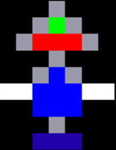
2 | x | x | x | x | x | x | x | x | x |  |  | 2 | x | x | x | x | g | x | x | x | x |  | 2 | x | x | x | x | g | g | x | x | x
3 | x | x | x | x | x | x | x | x | x |  |  | 3 | x | x | x | g | G | g | x | x | x |  | 3 | x | x | x | g | G | G | g | x | x
4 | x | x | x | x | g | g | x | x | x |  |  | 4 | x | x | g | R | R | R | g | x | x |  | 4 | x | x | g | R | R | R | R | g | x
5 | x | x | x | g | R | R | g | x | x |  |  | 5 | x | x | x | x | g | x | x | x | x |  | 5 | x | x | x | x | g | g | x | x | x
6 | x | x | x | x | g | g | x | x | x |  |  | 6 | x | x | x | g | B | g | x | x | x |  | 6 | x | x | W | g | g | g | g | W | x
7 | x | x | x | W | B | B | W | x | x |  |  | 7 | x | W | W | B | B | B | W | W | x |  | 7 | x | x | x | W | B | B | W | x | x
8 | x | x | x | x | B | B | x | x | x |  |  | 8 | x | x | x | B | B | B | x | x | x |  | 8 | x | x | W | B | B | B | B | W | x
9 | x | x | x | x | U | U | x | x | x |  |  | 9 | x | x | x | x | g | x | x | x | x |  | 9 | x | x | x | x | g | g | x | x | x
10 | x | x | x | x | x | x | x | x | x |  |  | 10 | x | x | x | U | U | U | x | x | x |  | 10 | x | x | x | U | U | U | U | x | x
 |  |  |  |  |  |  |  |  |  | enforcer4
 |  |  |  |  |  |  |  |  |  |  |  |  |  |  |  |  |  |  |  |  |  | enforcer5 |  |  |  |  |  |  |  |  |  |  | enforcer6

